Subset
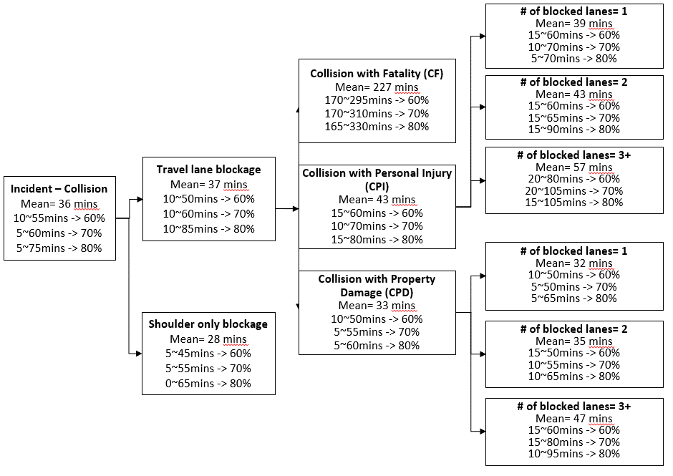

CPI-1
CPI-1 Lane-1
60% | 10-30
70% | 5-30
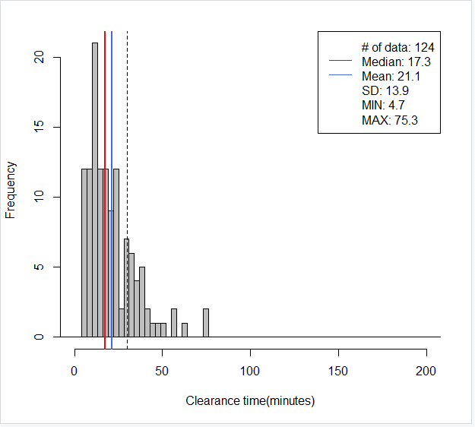
80% | 5-40
695// mean=21, median=17, SD=14, x=[5, 75], [-30, 30)-> 78%(97/124)
> round(quantile(mytree$CT, c(0.05, 0.10, 0.15, 0.20, 0.80, 0.85, 0.90, 0.95)), digits=1)
5% 10% 15% 20% 80% 85% 90% 95%
5.6 7.6 9.1 10.7 30.6 34.3 38.6 47.8
> round(quantile(mytree$CT, c(0.00, 0.05, 0.10, 0.15, 0.75, 0.80, 0.85, 0.90)), digits=1)
0% 5% 10% 15% 75% 80% 85% 90%
4.7 5.6 7.6 9.1 28.6 30.6 34.3 38.6
> round(quantile(mytree$CT, c(0.00, 0.05, 0.10, 0.18, 0.78, 0.80, 0.85, 0.90)), digits=1)
0% 5% 10% 18% 78% 80% 85% 90%
4.7 5.6 7.6 9.6 29.9 30.6 34.3 38.6
> round(quantile(mytree$CT, c(0.00, 0.05, 0.10, 0.19, 0.79, 0.80, 0.85, 0.90)), digits=1)
0% 5% 10% 19% 79% 80% 85% 90%
4.7 5.6 7.6 10.1 30.0 30.6 34.3 38.6
> round(quantile(mytree$CT, c(0.00, 0.09, 0.10, 0.19, 0.79, 0.80, 0.85, 0.90)), digits=1)
0% 9% 10% 19% 79% 80% 85% 90%
4.7 6.9 7.6 10.1 30.0 30.6 34.3 38.6
> round(quantile(mytree$CT, c(0.04, 0.09, 0.14, 0.19, 0.79, 0.84, 0.89, 0.94)), digits=1)
4% 9% 14% 19% 79% 84% 89% 94%
5.2 6.9 8.9 10.1 30.0 33.8 37.9 43.4

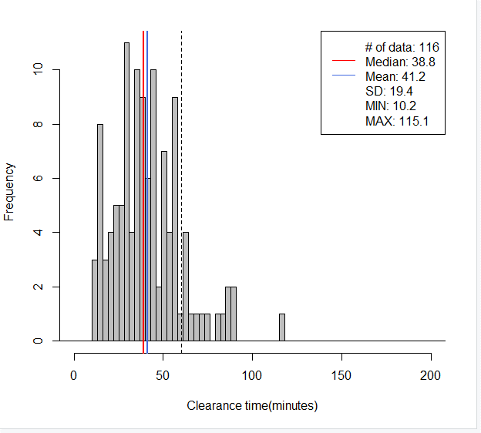
CPI-1 Lane-2
60% | 25-60
70% | 20-60
80% | 15-65
695// mean=41, median=39, SD=19, x=[10, 115], [-60, 60)-> 86%(100/116)
> round(quantile(mytree$CT, c(.05, .10, .15, .2, .8 ,.85,.90, 0.95)), digits=1)
5% 10% 15% 20% 80% 85% 90% 95%
14.8 16.1 21.8 25.1 55.1 57.4 62.8 82.2

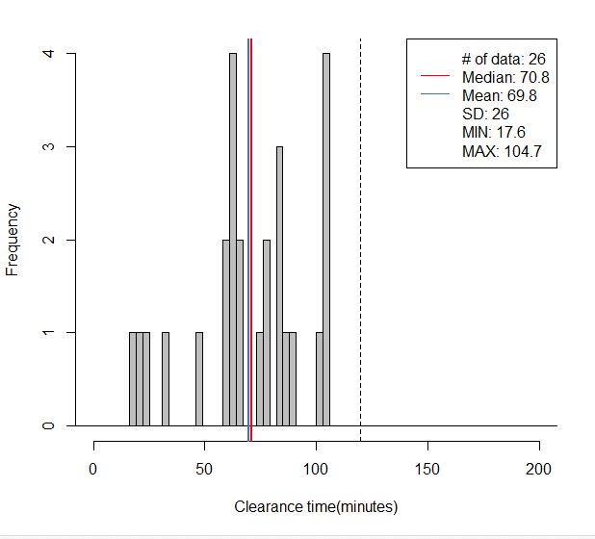
CPI-1 Lane-3
60% | 60-90
70% | 40-105
80% | 25-105
695// mean=70, median=71, SD=26, x=[18, 105], [-120, 120)-> 100%(26/26)
> round(quantile(mytree$CT, c(.05, .10, .15, .2, .8 ,.85,.90, 0.95)), digits=1)
5% 10% 15% 20% 80% 85% 90% 95%
20.1 26.9 43.7 60.8 89.4 101.3 104.1 104.4

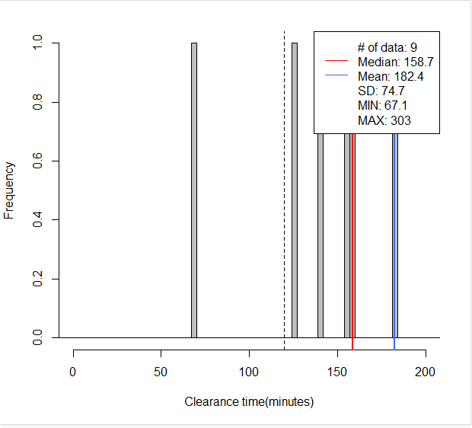
CPI-1 Lane-4
85% | >120
100% | >90

695// mean=182, median=159, SD=75, x=[67, 303], [120, 1200)-> 89%(8/9)
> round(quantile(mytree$CT, c(.05, .10, .15, .2, .8 ,.85,.90, 0.95)), digits=1)
5% 10% 15% 20% 80% 85% 90% 95%
90.3 113.4 128.2 134.6 252.9 259.1 270.3 286.7

CPI-2
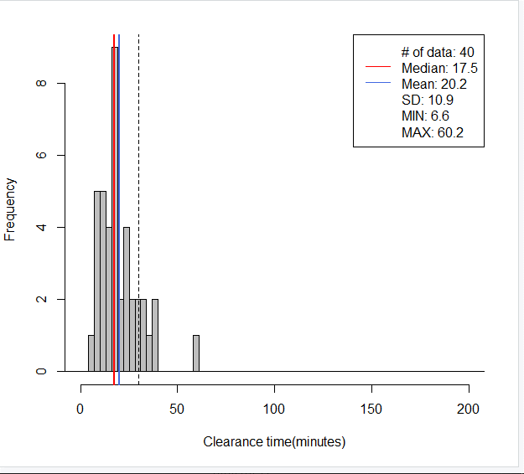
CPI-2 Lane-1
60% | 10-30
70% | 5-30
80% | 5-35
695// mean=20, median=18, SD=11, x=[7, 60], [-30, 30)-> 82%(33/40)
> round(quantile(mytree$CT, c(0.05, 0.10, 0.15, 0.20, 0.80, 0.85, 0.90, 0.95)), digits=1)
5% 10% 15% 20% 80% 85% 90% 95%
8.1 8.6 10.4 12.1 27.5 31.1 34.1 37.4

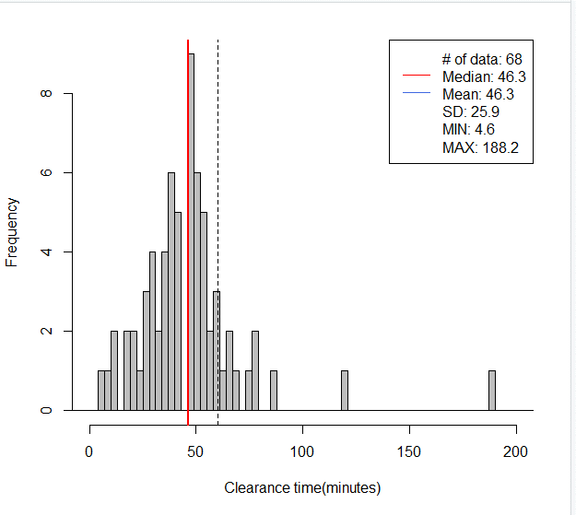
CPI-2 Lane-2
60% | 25-60
70% | 20-60
80% | 20-70
695// mean=46, median=46, SD=26, x=[5, 188], [-60, 60)-> 85%(58/68)
> round(quantile(mytree$CT, c(.05, .10, .15, .2, .8 ,.85,.90, 0.95)), digits=1)
5% 10% 15% 20% 80% 85% 90% 95%
13.3 21.5 27.6 28.5 57.6 59.6 66.5 77.4

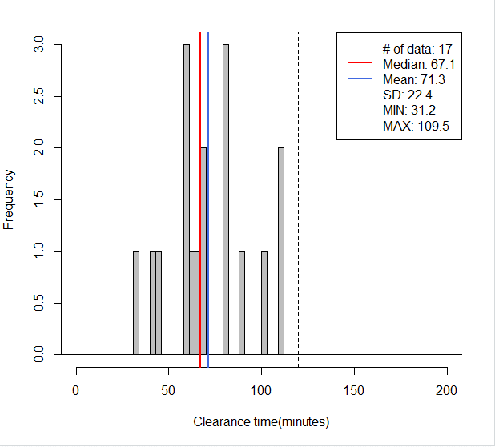
CPI-2 Lane-3
60% | 55-90
70% | 55-105
80% | 50-110
695// mean=71, median=67, SD=22, x=[31, 110], [-120, 120)-> 100%(17/17)
> round(quantile(mytree$CT, c(.05, .10, .15, .2, .8 ,.85,.90, 0.95)), digits=1)
5% 10% 15% 20% 80% 85% 90% 95%
40.4 43.9 50.4 59.3 88.1 96.5 104.3 109.1

CPI-2 Lane-4
100% | >120
695// mean=292, median=292, SD=NA, x=[292, 292], [120, 1200)-> 100%(1/1)
> round(quantile(mytree$CT, c(.05, .10, .15, .2, .8 ,.85,.90, 0.95)), digits=1)
5% 10% 15% 20% 80% 85% 90% 95%
291.7 291.7 291.7 291.7 291.7 291.7 291.7 291.7

CPI-3
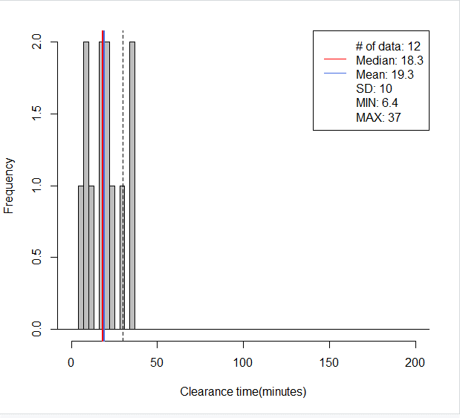
CPI-3 Lane-1
60% | 5-25
70% | 5-30
80% | 5-35
695// mean=19, median=18, SD=10, x=[6, 37], [-30, 30)-> 83%(10/12)
> round(quantile(mytree$CT, c(0.05, 0.10, 0.15, 0.20, 0.80, 0.85, 0.90, 0.95)), digits=1)
5% 10% 15% 20% 80% 85% 90% 95%
7.8 8.9 8.9 9.5 27.5 30.8 34.0 35.7
> round(quantile(mytree$CT, c(0.00, 0.05, 0.10, 0.15, 0.75, 0.80, 0.85, 0.90)), digits=1)
0% 5% 10% 15% 75% 80% 85% 90%
6.4 7.8 8.9 8.9 24.0 27.5 30.8 34.0

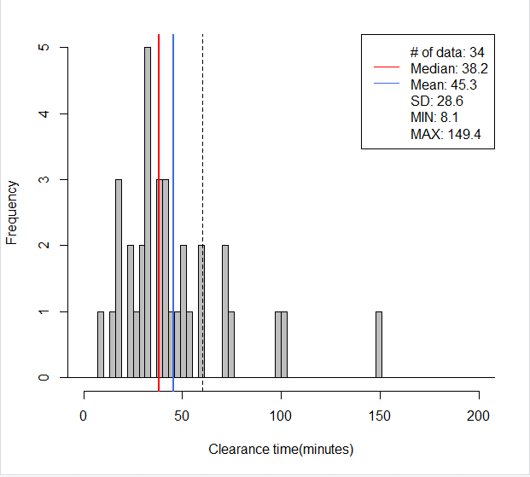
CPI-3 Lane-2
60% | 25-60
70% | 20-75
80% | 15-75
695// mean=45, median=38, SD=29, x=[8, 149], [-60, 60)-> 82%(28/34)
> round(quantile(mytree$CT, c(.05, .10, .15, .2, .8 ,.85,.90, 0.95)), digits=1)
5% 10% 15% 20% 80% 85% 90% 95%
16.5 17.6 22.0 25.5 58.0 71.2 74.1 100.0

CPI-3 Lane-3
60% | 60-100
70% | 60-105
80% | 55-110
695// mean=78, median=76, SD=19, x=[50, 109], [-120, 120)-> 100%(12/12)
> round(quantile(mytree$CT, c(.05, .10, .15, .2, .8 ,.85,.90, 0.95)), digits=1)
5% 10% 15% 20% 80% 85% 90% 95%
50.3 51.3 56.7 62.7 97.4 99.8 102.3 105.4

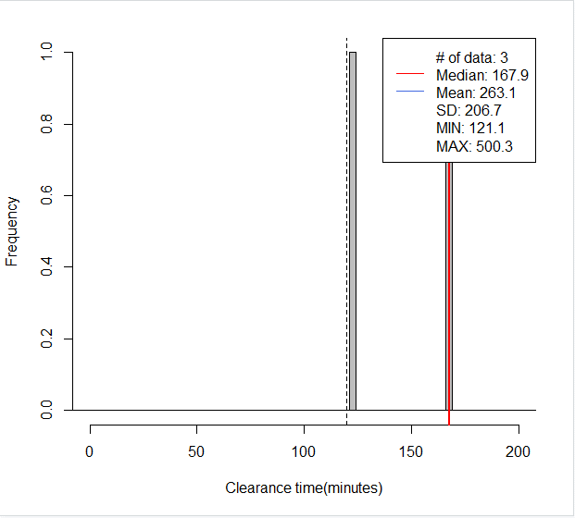
CPI-3 Lane-4
100% | >120
695// mean=263, median=168, SD=207, x=[121, 500], [120, 1200)-> 100%(3/3)
> round(quantile(mytree$CT, c(.05, .10, .15, .2, .8 ,.85,.90, 0.95)), digits=1)
5% 10% 15% 20% 80% 85% 90% 95%
125.8 130.5 135.1 139.8 367.3 400.6 433.8 467.0

CPD-1
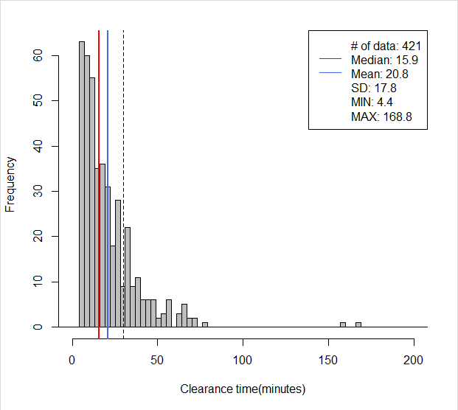
CPD-1 Lane-1
60% | 5-30
70% | 5-35
80% | 5-40
695// mean=21, median=16, SD=18, x=[4, 169], [-30, 30)-> 79%(331/421)
> round(quantile(mytree$CT, c(0.00, 0.05, 0.10, 0.15, 0.75, 0.80, 0.85, 0.90)), digits=1)
0% 5% 10% 15% 75% 80% 85% 90%
4.4 5.4 6.3 7.0 26.6 31.1 34.3 41.7

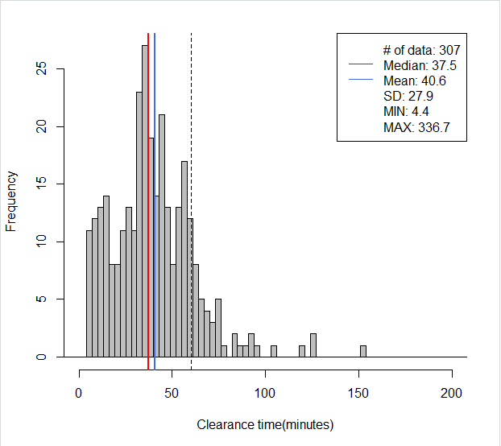
CPD-1 Lane-2
60% | 20-60
70% | 15-65
80% | 10-70
695// mean=41, median=37, SD=28, x=[4, 337], [-60, 60)-> 86%(265/307)
> round(quantile(mytree$CT, c(.05, .10, .15, .2, .8 ,.85,.90, 0.95)), digits=1)
5% 10% 15% 20% 80% 85% 90% 95%
8.0 12.0 15.4 20.5 55.9 58.8 64.0 75.1
> round(quantile(mytree$CT, c(.07, .12, .17, .22, .82 ,.87,.92, 0.97)), digits=1)
7% 12% 17% 22% 82% 87% 92% 97%
9.7 13.3 17.3 22.6 57.0 60.8 68.0 89.7

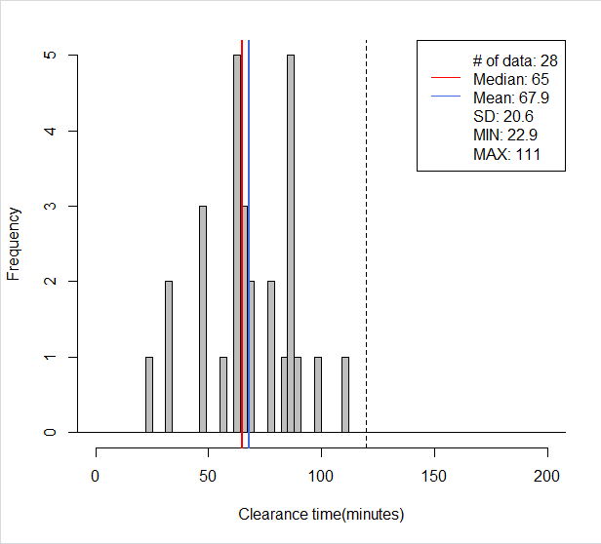
CPD-1 Lane-3
60% | 55-90
70% | 55-100
80% | 50-115
695// mean=68, median=65, SD=21, x=[23, 111], [-120, 120)-> 100%(28/28)
> round(quantile(mytree$CT, c(.05, .10, .15, .2, .8 ,.85,.90, 0.95)), digits=1)
5% 10% 15% 20% 80% 85% 90% 95%
33.2 42.5 46.5 51.0 86.0 86.7 88.2 95.3
> round(quantile(mytree$CT, c(.1, .15, .20, .25, .85 ,.90,.95,1)), digits=1)
10% 15% 20% 25% 85% 90% 95% 100%
42.5 46.5 51.0 59.7 86.7 88.2 95.3 111.0

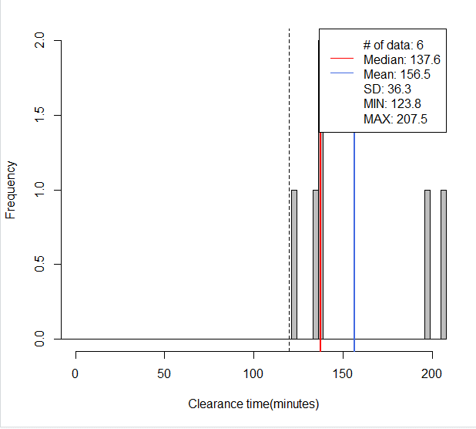
CPD-1 Lane-4
100% | >120
695// mean=156, median=138, SD=36, x=[124, 207], [120, 1200)-> 100%(6/6)
> round(quantile(mytree$CT, c(.05, .10, .15, .2, .8 ,.85,.90, 0.95)), digits=1)
5% 10% 15% 20% 80% 85% 90% 95%
126.4 129.0 131.6 134.2 198.1 200.4 202.8 205.1

CPD-2
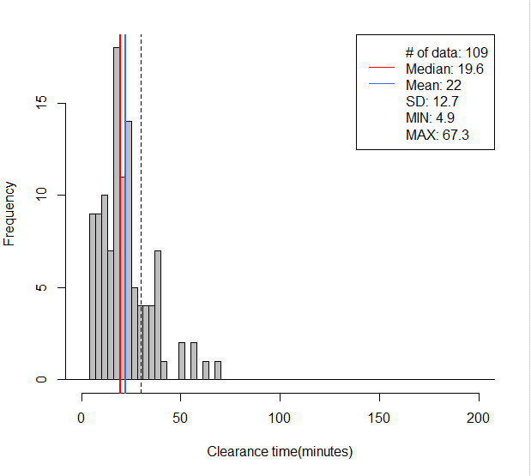
CPD-2 Lane-1
60% | 5-30
70% | 5-35
80% | 5-40
695// mean=22, median=20, SD=13, x=[5, 67], [-30, 30)-> 79%(86/109)
> round(quantile(mytree$CT, c(0.00, 0.05, 0.10, 0.15, 0.75, 0.80, 0.85, 0.90)), digits=1)
0% 5% 10% 15% 75% 80% 85% 90%
4.9 6.2 7.6 9.7 27.7 31.1 34.4 37.7
> round(quantile(mytree$CT, c(0.05, 0.10, 0.15, 0.20, 0.80, 0.85, 0.90, 0.95)), digits=1)
5% 10% 15% 20% 80% 85% 90% 95%
6.2 7.6 9.7 11.7 31.1 34.4 37.7 47.0

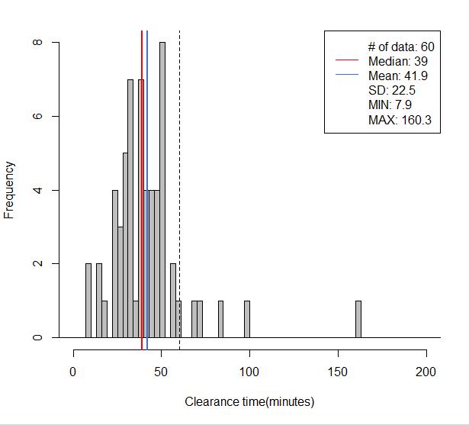
CPD-2 Lane-2
60% | 25-50
70% | 20-55
80% | 20-70
695// mean=42, median=39, SD=23, x=[8, 160], [-60, 60)-> 92%(55/60)
> round(quantile(mytree$CT, c(.07, .12, .17, .22, .82 ,.87,.92, 0.97)), digits=1)
7% 12% 17% 22% 82% 87% 92% 97%
18.7 23.6 26.4 28.8 51.4 53.2 61.5 87.5
> round(quantile(mytree$CT, c(0.05, 0.10, 0.15, 0.20, 0.80, 0.85, 0.90, 0.95)), digits=1)
5% 10% 15% 20% 80% 85% 90% 95%
15.4 23.3 25.4 28.3 50.7 51.9 57.5 72.7
> round(quantile(mytree$CT, c(0.03, 0.07, 0.13, 0.17, 0.77, 0.83, 0.87, 0.93)), digits=1)
3% 7% 13% 17% 77% 83% 87% 93%
12.6 18.7 23.7 26.4 50.0 51.7 53.2 67.7

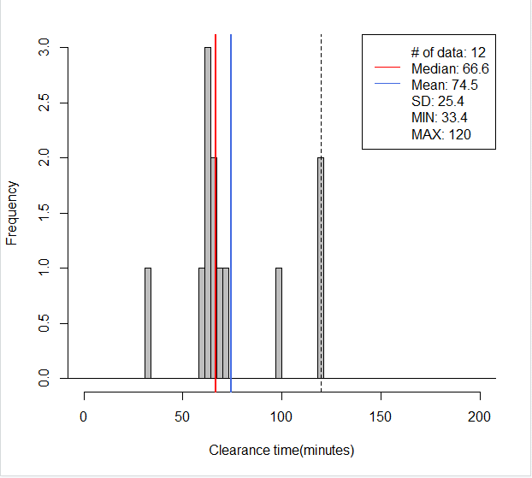
CPD-2 Lane-3
60% | 60-95
70% | 60-110
80% | 60-120
695// mean=75, median=67, SD=25, x=[33, 120], [-120, 120)-> 83%(10/12)
> round(quantile(mytree$CT, c(.05, .10, .15, .2, .8 ,.85,.90, 0.95)), digits=1)
5% 10% 15% 20% 80% 85% 90% 95%
48.2 60.4 61.6 62.5 92.2 105.1 117.7 120.0

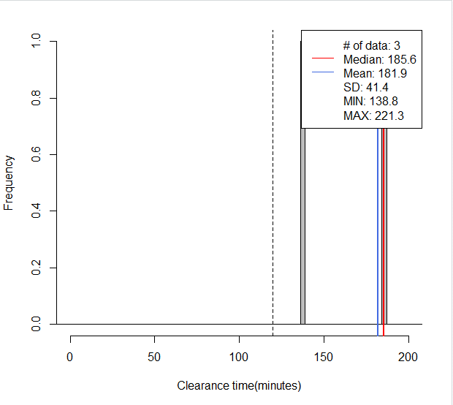
CPD-2 Lane-4
100% | >120
695// mean=182, median=186, SD=41, x=[139, 221], [120, 1200)-> 100%(3/3)
> round(quantile(mytree$CT, c(.05, .10, .15, .2, .8 ,.85,.90, 0.95)), digits=1)
5% 10% 15% 20% 80% 85% 90% 95%
143.4 148.1 152.8 157.5 207.0 210.6 214.1 217.7

CPD-3
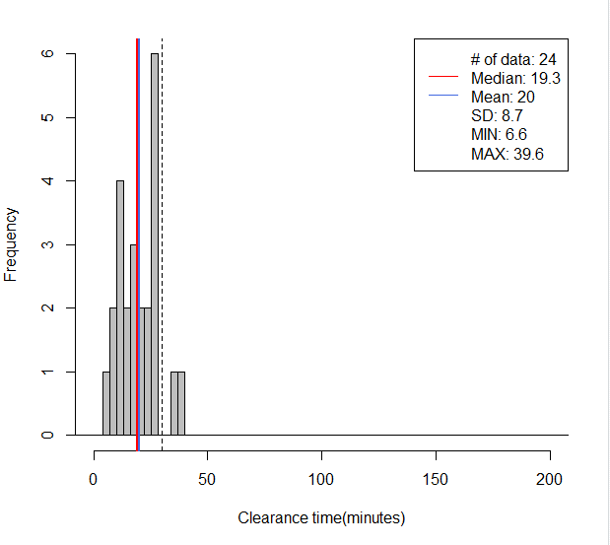
CPD-3 Lane-1
60% | 10-30
70% | 10-30
80% | 10-30
695// mean=20, median=19, SD=9, x=[7, 40], [-30, 30)-> 92%(22/24)
> round(quantile(mytree$CT, c(0.05, 0.10, 0.15, 0.20, 0.80, 0.85, 0.90, 0.95)), digits=1)
5% 10% 15% 20% 80% 85% 90% 95%
9.1 9.9 11.0 11.9 26.9 27.2 27.3 35.1

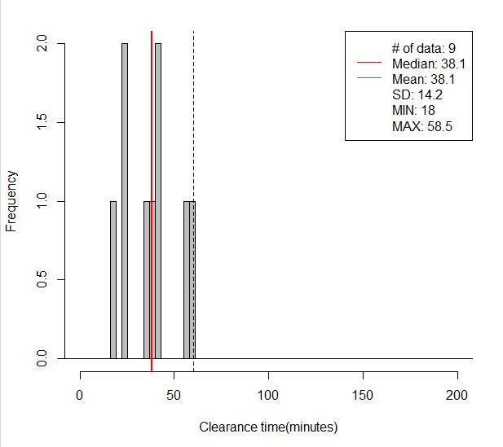
CPD-3 Lane-2
60% | 20-50
70% | 20-55
80% | 20-60
695// mean=38, median=38, SD=14, x=[18, 58], [-60, 60)-> 100%(9/9)
> round(quantile(mytree$CT, c(0.05, 0.10, 0.15, 0.20, 0.80, 0.85, 0.90, 0.95)), digits=1)
5% 10% 15% 20% 80% 85% 90% 95%
20.5 22.9 24.2 24.4 48.5 54.3 57.5 58.0

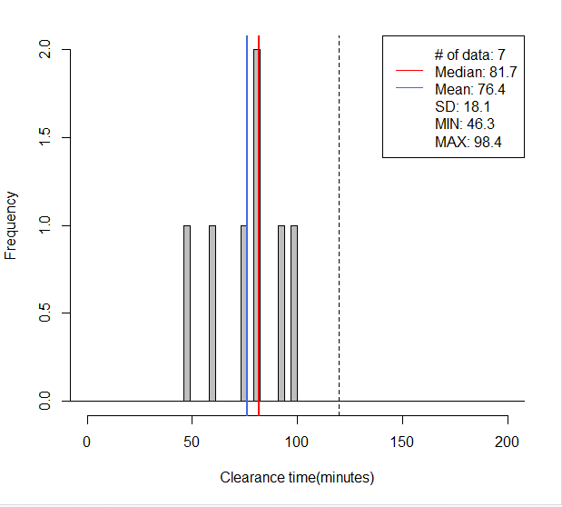
CPD-3 Lane-3
60% | 60-90
70% | 60-95
80% | 55-100
695// mean=76, median=82, SD=18, x=[46, 98], [-120, 120)-> 100%(7/7)
> round(quantile(mytree$CT, c(.05, .10, .15, .2, .8 ,.85,.90, 0.95)), digits=1)
5% 10% 15% 20% 80% 85% 90% 95%
50.5 54.7 58.9 63.0 90.3 93.0 94.8 96.6

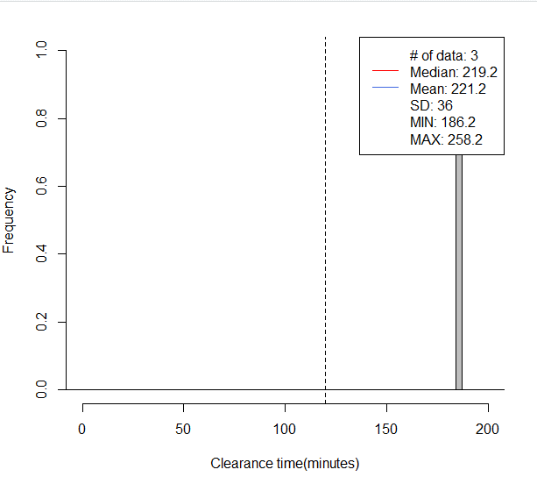
CPD-4 Lane-4
100% | >120
695// mean=221, median=219, SD=36, x=[186, 258], [120, 1200)-> 100%(3/3)
> round(quantile(mytree$CT, c(.05, .10, .15, .2, .8 ,.85,.90, 0.95)), digits=1)
5% 10% 15% 20% 80% 85% 90% 95%
189.5 192.8 196.1 199.4 242.6 246.5 250.4 254.3

test
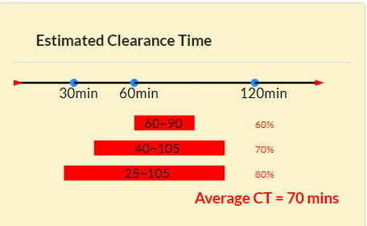
CPI1 (1) | Predict Outcome | Correct Outcome
 |  | CPI-1 Lane-2

Collision incident
Travel lane blockage
Personal Injury
1 Travel lane blocked
1 Car involved
First responder: Others
1 TOW unit is responding.
Other
Unspecified condition | Note
Spring | The input information shows only "TOW service arrived", and the case does not meet any rules determining duration longer than 60 mins, so the result should be lane-2 instead of lane-3
Night time
Weekday
Baltimore city
North
Exit 49

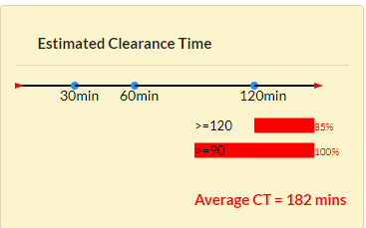
CPI1 (2) | Predict Outcome | Correct Outcome
 |  | CPI-1 Lane-4

Collision incident
Travel lane blockage
Personal Injury
1 Travel lane blocked
1 Truck involved
First responder: Others
1 TOW unit 5+ Other units are responding.
Other
Unspecified condition | Note
Spring | Here the logic of the program is correct, but there is one thing needs to be imporved based on the rules in the model. The model includes rules: more than 5 response units more than 6 response units more than 7 response units So to make sure the accuracy of input information, the max selection of #responder units should be 7+
Night time
Weekend
Baltimore city
North
Exit 49

CPI1 (3) | Predict Outcome | Correct Outcome
 |  | CPI-1 Lane-2

Collision incident
Travel lane blockage
Personal Injury
1 Travel lane blocked
1 Car involved
First responder: POLICE
2 CHART units 1 POLICE unit are responding.
Other
Unspecified condition | Note
Spring | The input information shows only "More than 1 CHART arrived & Police first arrived", and the case does not meet any rules determining duration longer than 60 mins, so the result should be lane-2 instead of lane-3
Night time
Weekend
Baltimore city
North
Exit 49

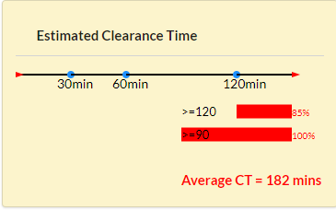
CPI1 (4) | Predict Outcome | Correct Outcome
 |  | CPI-1 Lane-2

Collision incident
Travel lane blockage
Personal Injury
1 Travel lane blocked
1 Truck involved
First responder: POLICE
2 CHART units 1 POLICE unit 3 Other units are responding.
Other
Unspecified condition | Note
Spring | The input information shows only "More than 1 CHART arrived & Police first arrived", though the case meets the rule "Truck involved & More than 5 response units arrived" which determines the duration longer than 120 minutes, because the case does not meet any rules determining duration longer than 60 mins, the result still should be lane-2 instead of lane-4.
Night time
Weekend
Baltimore city
North
Exit 49

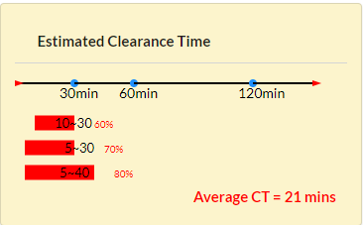
CPI1 (5) | Predict Outcome | Correct Outcome
 |  | CPI-1 Lane-2

Collision incident
Travel lane blockage
Personal Injury
1 Travel lane blocked
1 Pickup involved
First responder: Others
1 POLICE unit 1 Other unit are responding.
Other
Unspecified condition | Note
Spring | The input information shows only "Pick involved & [More than 2 response units arrived OR Police arrived ", which determines the duration longer than 30 minutes, and the case does not meet any rules determining duration longer than 60 mins, the result still should be lane-2 instead of lane-1. Moreover, the cases, meeting "Pick involved & [More than 2 response units arrived OR Police arrived ", are directly categorized in to less than 30 minutes, so the cases with "Pick involved & [More than 2 response units arrived OR Police arrived " cannot be tested for rules for 60 mins and 120 mins
Day time
Weekend
Baltimore city
North
Exit 49

